Ark1
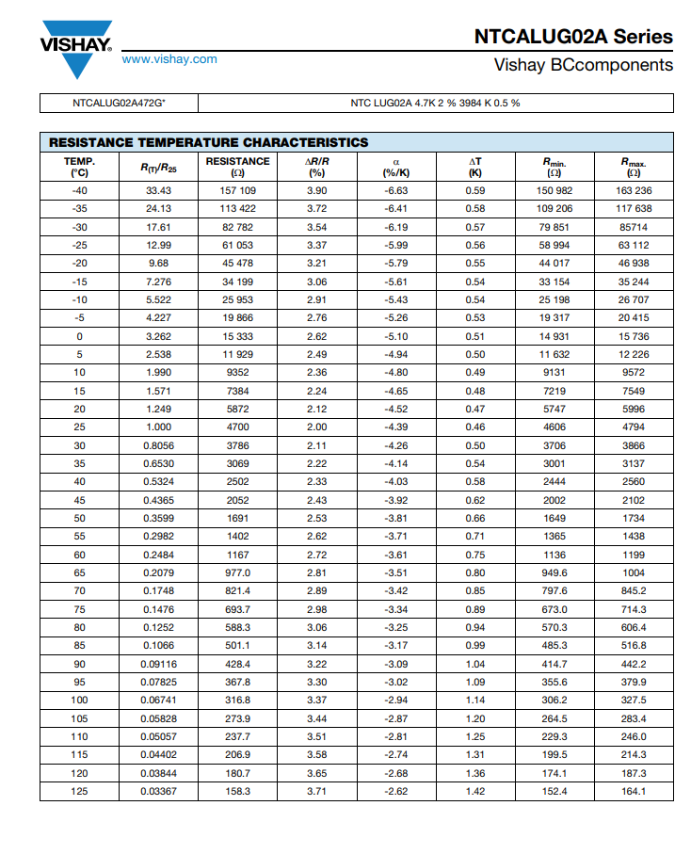
RESISTANCE | TEMP. (°C) | Calculated
7384 | 15 | 13
5872 | 20 | 19
4700 | 25 | 25
3786 | 30 | 30
3069 | 35 | 36
2502 | 40 | 41
2052 | 45 | 46
1691 | 50 | 51
1402 | 55 | 56
1167 | 60 | 60
977 | 65 | 65
821 | 70 | 69
694 | 75 | 73

const int sensorPin = A0; // Analog input pin that senses Vout
int sensorValue = 0; // sensorPin default value
float Vin = 5; // Input voltage
float Vout = 0; // Vout default value
float Rref = 4700; // Reference resistor's value in ohms (you can give this value in kiloohms or megaohms - the resistance of the tested resistor will be given in the same units)
float R = 0; // Tested resistors default value
float Temp = 0;
void setup ()
{
Serial.begin(115200); // Initialize serial communications at 115200 bps
}
void loop ()
{
sensorValue = analogRead(sensorPin); // Read Vout on analog input pin A0 (Arduino can sense from 0-1023, 1023 is 5V)
Vout = (Vin * sensorValue) / 1023; // Convert Vout to volts
R = Rref * (1 / ((Vin / Vout) - 1)); // Formula to calculate tested resistor's value
Temp = (-25.37 * log(R)) + 239.43;
Serial.print("R: ");
Serial.print(R); // Give calculated resistance in Serial Monitor
Serial.print(" = Temp: ");
Serial.println(Temp);
delay(1000); // Delay in milliseconds between reeds
}

